1. Title Page
Instacart Basket Analysis

Project Name: Instacart Analysis
Date: November 23th, 2023
Analyst Name: Jessica Warner

Contents | Tab
Population Flow | Page 2 |  |  | Page 2
Wrangling Steps | Page 3 |  |  | Page 3
Consistency Checks | Page 4 |  |  | Page 4
Column derivations | Page 5 |  |  | Page 5
Visualizations | Page 6 |  |  | Page 6
Recommendations | Page 7 |  |  | Page 7

Name | Comments | Link | Alt Link
“The Instacart Online Grocery Shopping Dataset 2017”, Accessed from www.instacart.com/datasets/grocery-shopping-2017 via Kaggle on 10/17/2023 | Additional notes: The columns 'prices' and 'products' were added to the original data set for learning purposes of the Career Foundry course. | www.instacart.com/datasets/grocery-shopping-2017 via Kaggle | https://mdporter.github.io/DS6030/other/instacart.html
List of Regions of the United States via Wikipedia | Article used to help group states by Region | https://simple.wikipedia.org/wiki/List_of_regions_of_the_United_States

2. Population Flow
Title page

Population Flow

 | Exclusion flag


orders
original data
Rows: 3,421,083
Columns: 7
orders_products_ prior
original data
Rows: 32,434,489
Columns: 4
products
original data
Rows: 49,693
Columns: 5
customers
original data
Rows: 206,209
Columns: 10
 | Observations to be Removed: All '_merge' columns were removed after consistency counts could be completed. Due to the nature of this analysis, multiple '_merge' columns were created requiring this column to be create and deconstructed for multiple exclusionary flags and table merges. Final total Count of Order_Products_all: Rows-30,964,564 Columns-33

orders_products
_ prior
after consistency checks
Rows: 32,434,489
Columns: 4
products
after consistency checks
Rows: 49,672
Columns: 5
customers
after consistency checks
Rows: 206,209
Columns: 8
orders
after consistency checks
Rows: 3,421,083
Columns: 6

Departments
Original Data
Rows:21
Columns: 2




orders_products
_combined
Rows: 32,434,489
Columns: 10
Orders_products_
active
Sub-set w/ only active customers.
Customers >5 orders
Rows: 30,964,564
Columns: 20
Orders_products_departments _active
Rows:30,964,564
Columns:21
orders_products
_merged
Rows: 32,404,859
Columns: 13
orders_products_all
Rows: 32,404,859
Columns: 20

3. Wrangling Steps
 |  |  |  | Title page
Wrangling Steps

Dataset | Columns Dropped | Columns Renamed | Columns' Type Changed
Orders | 1 column dropped - 'eval_set' was dropped due to it being unnecessary for this analysis. | 2 columns were renammed - 'DOW' renamed to orders_day_of_week' 'order_number' renamed to 'clients_order_number' Renamed colmns for clarity. | 2 data type changes were made- 'order_id' changed from INT to string type. 'user_id' changed from INT to string type. Changed IDs to string type to better assist with the analysis process.
Products | No columns dropped. | No columns were renamed. | No data types were changed.
Orders_products_prior | No columns dropped. | No columns were renamed. | No data types were changed.
Customers | 2 columns were dropped - 'Surnam' was dropped for client privacy and its irrelevancy to this analysis. 'First Name' was dropped due to having 11k missing values and it's irlevancy in this analysis. | 1 column was renammed - 'STATE' renammed to 'state_usa for improved identification | 1 column changed - 'user_id' changed from INT to string type

4. Consistency Checks
 |  |  |  |  |  | Title page
Consistency Checks

Dataset | Duplicates | Missing values | Column | Missing Values Treatment | Visual
Orders | 0 rows found | 206,209 Values | Days_since_prior_ords | If the order number is =1 there cannot be days prior to that order. This populates as NaN values. Values were kept in the original dataset and the analysis was treated in two ways:1 through the use of the loyalty flag and flagging these low orders as New_customers and 2 in the orders_products_active.pkl file removing all customers with less than 5 orders in later analysis. | 1
Products | 5 rows found | 16 Values | Product_name | Removed rows. | 2
Orders_products_prior | 0 rows found | No missing values found | N/A | No action required. | N/A
Customers | 0 rows found | 11,259 NaN Values | First Name | Column was dropped for privacy pourposes and its irrelevancy to this analysis | N/A
Orders_products_all | 0 rows found | 5,127 NaN values | Prices | Values were marked at pricing 14,900 and 99,999 and assumed inaccurate. Unable to impute values for products so they were convereted to NaN to prevent unreasonable outliers in the analysis. | 3

5. Column Derivations
 |  |  |  | Title page
Column Derivations and Aggregations

Dataset | New column | Column/s it was Derived From | Conditions
Orders | No updates. | N/A | N/A
Products | No updates. | N/A | N/A
Orders_products_prior | No updates. | N/A | N/A
Customers | No updates. | N/A | N/A
Orders_products_combined | No updates. | N/A | N/A
Orders_products_merged | price_label | prices | Created using user-def syntax Low-Range Products value < 5 Mid-Range product value > 5 to <=15 High Range product value > 15
 | busiest_day | orders_day_of_week | Created using is loop syntax busiest day ==0 least busy day ==4 regulalrly busy day all else
 | busiest_days | orders_day_of_week | Created using is loop syntax busiest day <=1 least busy day ==4 & ==3 regulalrly busy day all else
 | busiest_period_of_day | order_hour_of_day | Created using loop syntax least orders <= 9 average orders >= 17 most orders all else
 | max_order | Grouped by 'user_id'. Aggregated column 'clients_order_number' | Column was created to add up a client's total number of orders and was used in various exclusionary flags.
 | loyalty_flag | Grouped by 'user_id'. Aggregated column 'clients_order_number' | Aggrigated data (using the max_order column) to find the max value of user's order's. Flag was created seperating users by: Loyal customer > over 40 orders <=40 to >10 regular Customers < 10 New customers
 | spending_flag | Grouped by 'user_id'. Aggregated column 'prices' | Aggrigated data to find the mean value of user's average spent between orders. Flag was created seperating users by: High spender >= over $10 on average Low Spender < Under $10 spent on average
 | FRQ_prior_order_flag | Grouped by 'user_id'. Aggregated column 'days_since_prior_order'. | Aggrigated data to find the median value of user's frequency of days between orders. Flag was created seperating users by: Frequent customer <= less than 10 days regular Customer <=20 to > 10 days between orders Non-frequent customers > more than 20 days between orders
Orders_products_all | regional_flag | state_usa' | Using the .loc function, state_usa was divided by region (citation provided for article used to separate regions on Tab1). Four .loc functions were created dividing regions into ‘Northeast’, ‘West’, Midwest’, and ‘South’ and placed under the flag ‘'regional_flag'’.
 | Customer_activity | max_order | Separated customers into Active > 5 orders Low_activity < 5 orders This flag was used to created the orders_products_active.pkl file requested by senior leadership
 | age_group | Age | Clients were grouped by age using the .loc function. No specifics were provided on how to categorize age groups, so the customer base was divided into intervals of 10. This provided the most even distribution of ages amongst the Instacart customer base based on descriptive statistics. 18_27: >= 18 & <28 , 28 _37: >= 28 & <38 , 38_47: >= 38 & <48, 48 _57 : >= 48 & <58 , 58_67: >= 58 & <68, 68_over: >= 68
 | income_group | income | Clients were grouped by income by the following categories using the .loc function – Lowest_income: <= 67292, Avg_income: >67292 & <128102, Highest_income: >128102 Income levels were determined by running .describe function on the ‘income’ column and using the quartiles to divide clients into the 25th percentage of lowest earners ‘Lowest_income’ and 75th percentage of highest earners ‘Highest_income’. All those in the middle are considered ‘Avg_income’.
 | family_status | Created from columns fam_status and n_dependants | Flag was created to combine marital status and number of dependants using the .loc function: >['fam_status'] = 'married' & ['n_dependants'] = 0 = 'Married_no_kids' >['fam_status'] ='married' & ['n_dependants'] >= 1 = 'Married_kids' >['fam_status'] = 'single' & ['n_dependants'] >= 1 = 'Single_kids' >['fam_status'] = 'single' & ['n_dependants'] = 0 = 'Single_no_kids' >['fam_status'] = 'divorced/widowed' & ['n_dependants'] = 0 = 'Divorced/widowed_no_kids' [>'fam_status'] = 'divorced/widowed' & ['n_dependants'] >= 1= 'Divorced/widowed_kids' >['fam_status'] = 'living with parents and siblings' & ['n_dependants'] = 0 = 'Living with family_no_kids' >['fam_status'] = 'living with parents and siblings' & ['n_dependants'] >= 1 = 'Living with family_kids'

6. Visualizations
 | Title page
Visualizations

Comment | Key Question 1 Visuals
"Order Placement During the Week" Saturdays and Sundays show the highest frequency of orders placed with the mid-week days of Tuesday and Wednesday showing the lowest orders placed. “Order Placement during the Day” The hours of 10AM to 4PM show the highest frequency of orders placed. Conversely the hours of midnight to 6am show low placement of orders. | 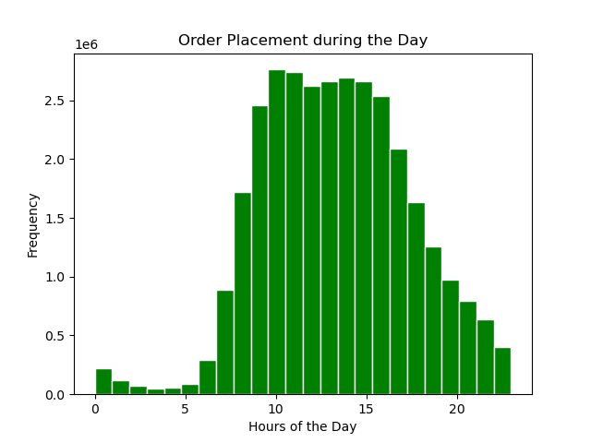 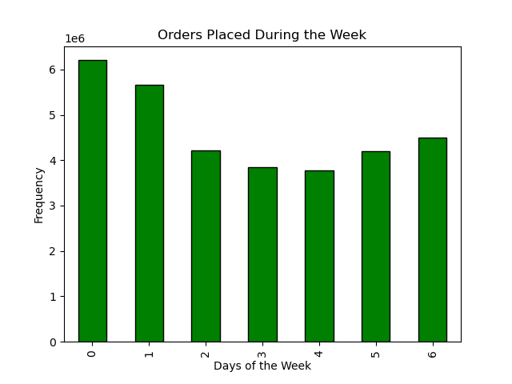 0 -Saturday 1-Sunday 2-Monday 3- Tuesday 4- Wednesday 5- Thursday 6- Friday
Comment | Key Question 2 Visuals
Expenditures Over the day' This line chart indicates that the mid-week has the lowest average of sales compared to weekend purchases. 'Expenditures Over the Week' This line chart shows some variability in ordering patterns, but the hours of 2am and 10am shows a noticeable dip in average expenditures. The hours of 3AM to 7AM show the highest avg. purchases across the day. | 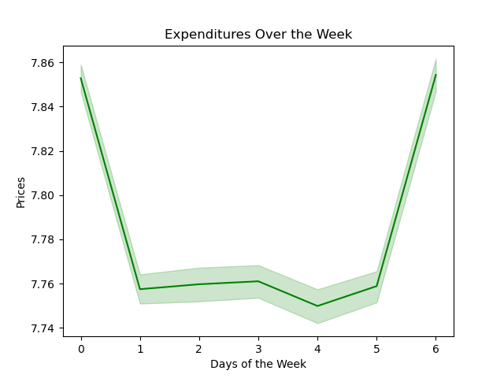 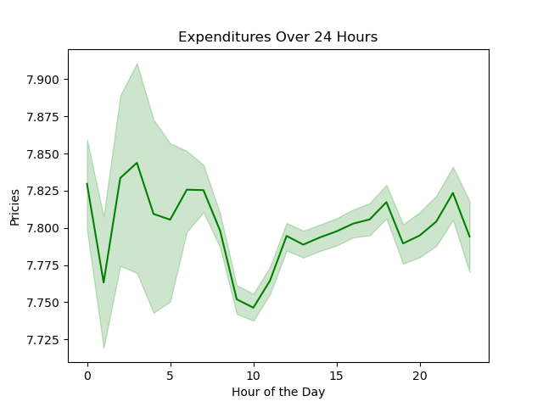 0 -Saturday 1-Sunday 2-Monday 3- Tuesday 4- Wednesday 5- Thursday 6- Friday
Comment | Key Question 3 Visuals
‘Average Pricing Frequency’ This histogram groups Instacart purchases by their price. Currently most items purchased are under the $15 dollar range. | 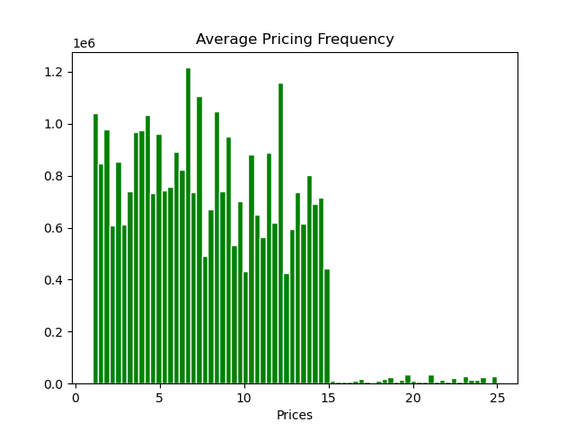
Comment | Key Question 4 Visuals
‘Purchases by Department’ Counts the total purchases of each department. 'Top 10 most Popular Products in Produce' Counts the total purchases of each product in the ‘produce’ selection from the ‘department’ column and is limited to the top 10 most frequently ordered items. | 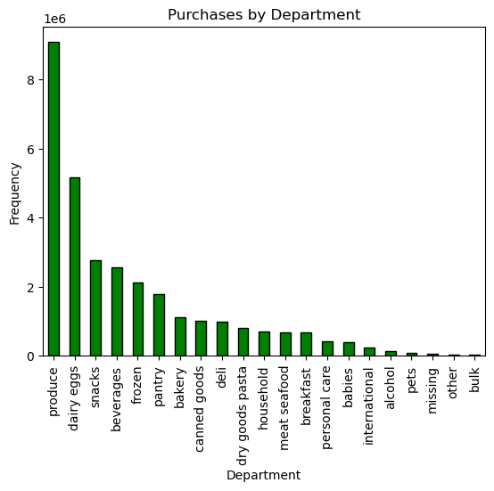 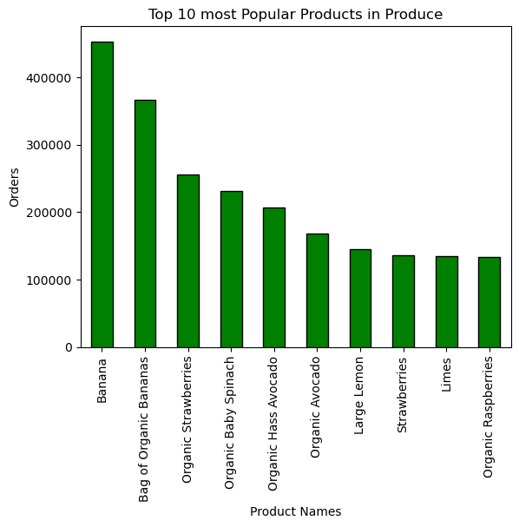 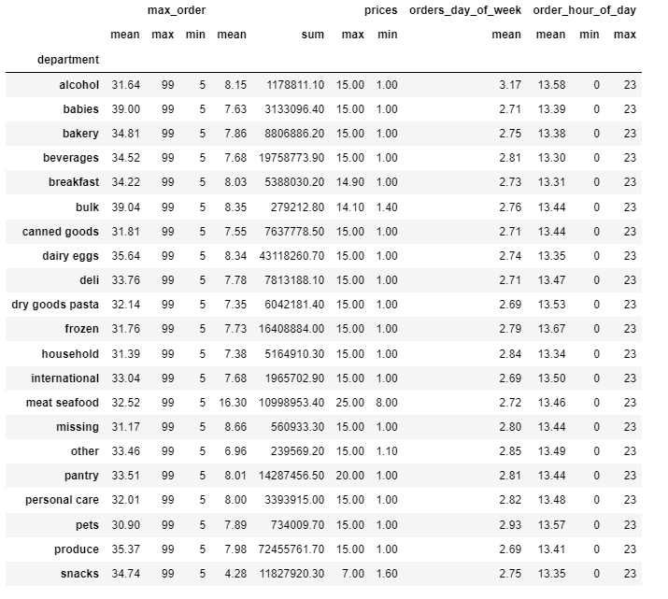

Comment | Key Question 5 Visuals
Order Placement' Depicts Total order frequency and how often each user group contributes to am order placement. ‘Hourly Purchases’ Indicates that regular customers are more likely to place orders around 4-5 AM while new customers see dips in orders during these hours. Loyal customers show more variability in ordering hours. | 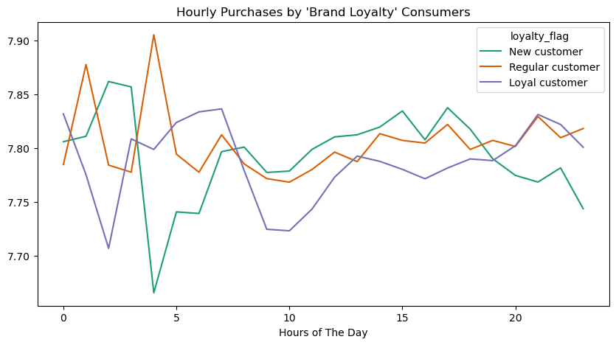 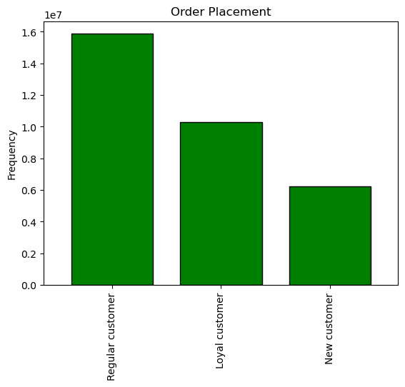
‘Weekly Purchases’ Loyal customers show the most significance in ordering patterns with the lowest dips in purchases on Sunday and Thursday. | 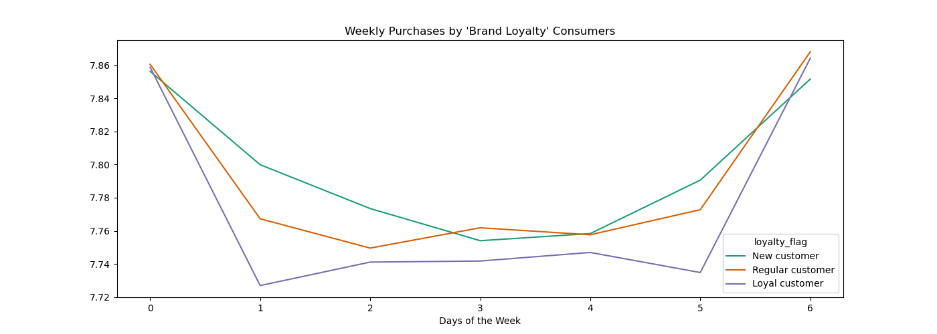
 | 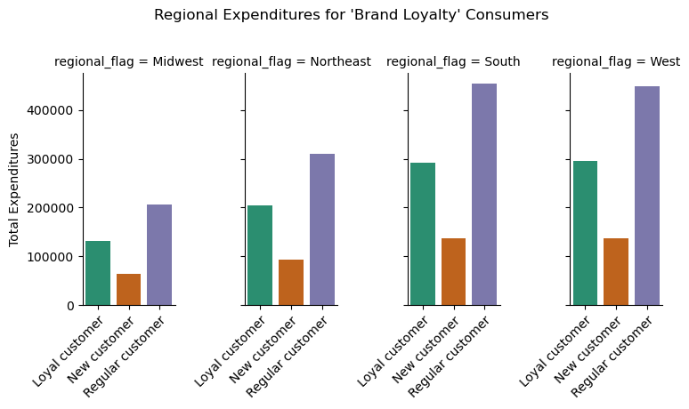 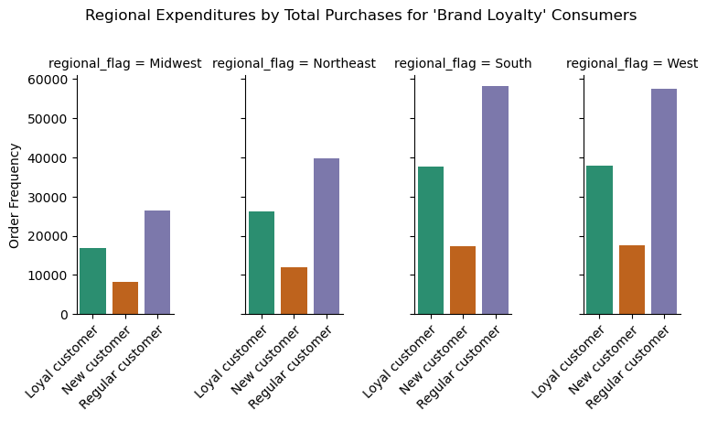
‘Department Expenditures’ and ‘Department Order Frequency’ Indicates the South and West regions hold the most order placements and bring in the most revenue by both loyal and regular customers. | 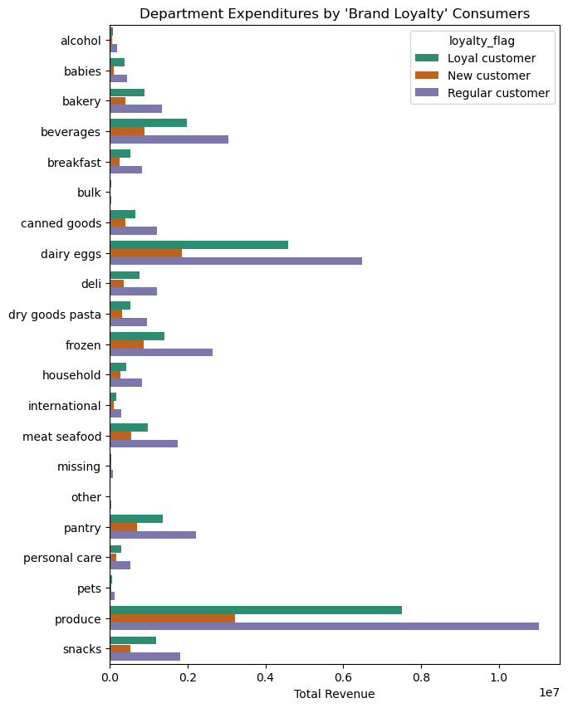 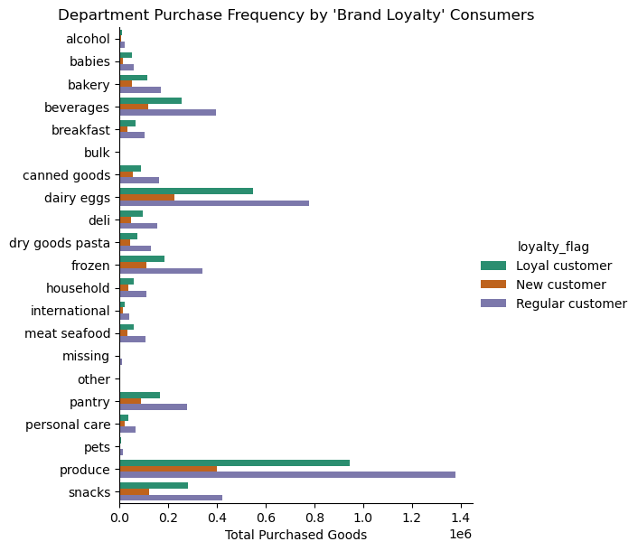

Comment | Key Question 6 Visuals
User Profiles | Users By Income
Users by Income ‘Distribution of Consumer Incomes’ Total users show a left skew indicating most of Instacarts consumer base is making at or below the $175,000 mark. The avg. income of IC users is around $97,000. ‘Maximum Orders by Income’ Indicates that most of IC’ user’s making more than $200,000 a year are less likely to be brand loyal consumers or placing more than 40 orders comparatively to low and avg. income users. ‘Hourly Purchases’ Trends mirror that of the general IC user population. The note difference is the frequency of orders place showing that less orders are placed on average by the lowest_income users. ‘Weekly Purchases’ Highest income users are more likely to see variability in the early AM with peak ordering hours at 4am, while the lowest income users see a dip in orders at 3pm and similar peak around 4pm. Lower income users also see a dip around the hour of 10am. | 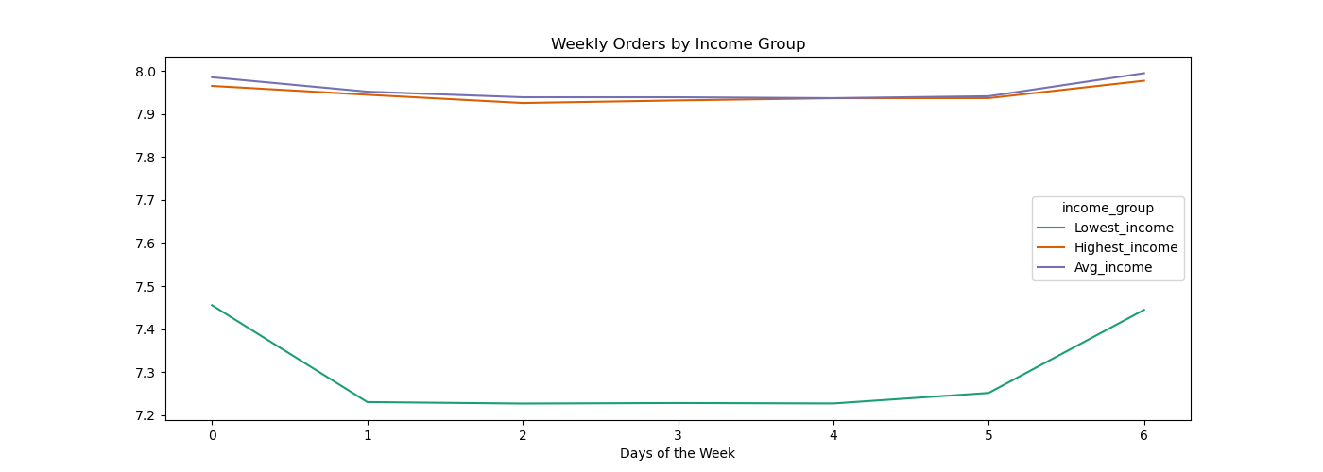 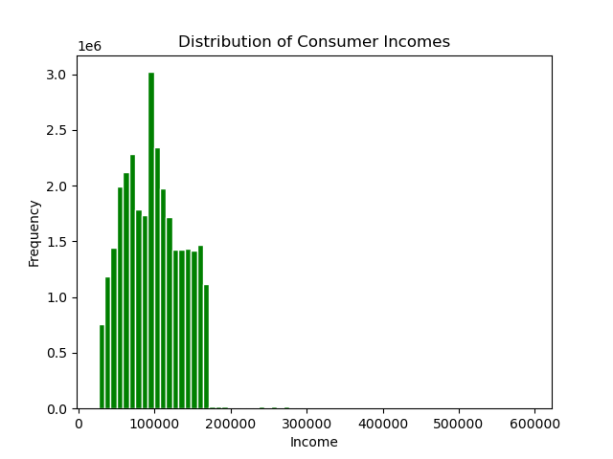 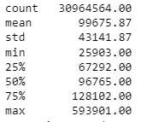
 | 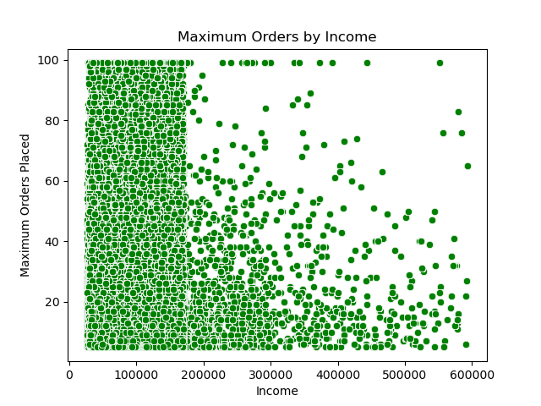 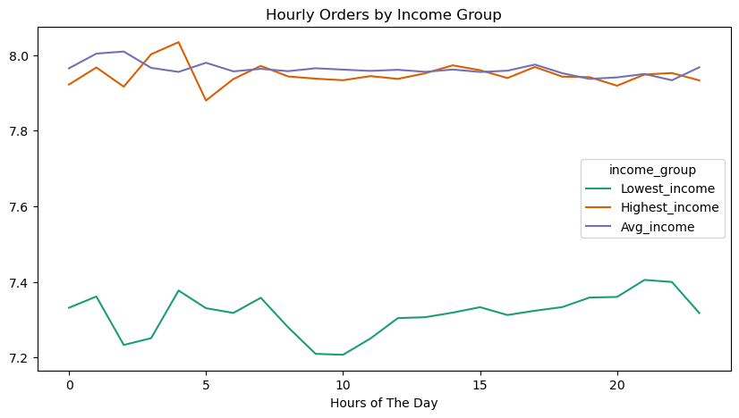
 | Users by Age
Users by Age ‘Distribution of Consumer Ages’ IC’s user base is highly uniform between each decade of ages with slight increases in the youngest users 18 to 20 yos and very oldest 78 to 81 yos. ‘Average Household Dependants by Age’ The number of reported dependents, from 0 to 3, is highly variable across all age demographics. ‘Hourly Purchases’ Most variability lies in the early morning hours for purchasing times. Most notable is the drop in orders for the age range 38 to 47 year olds around 3am and the drop at 5am for 48_57 year olds. Ages 68_over show the highest frequency of orders placed in the morning followed by 28_37 year olds. ‘Weekly Purchases’ Ordering trends mirror general IC user trends from Friday through Sunday with some noted variability amongst ages groups in the mid-day week | 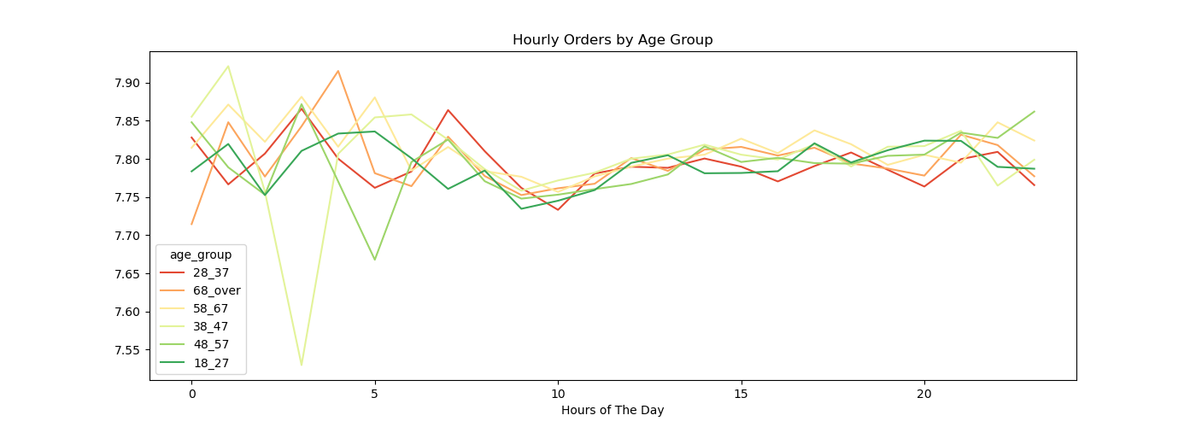 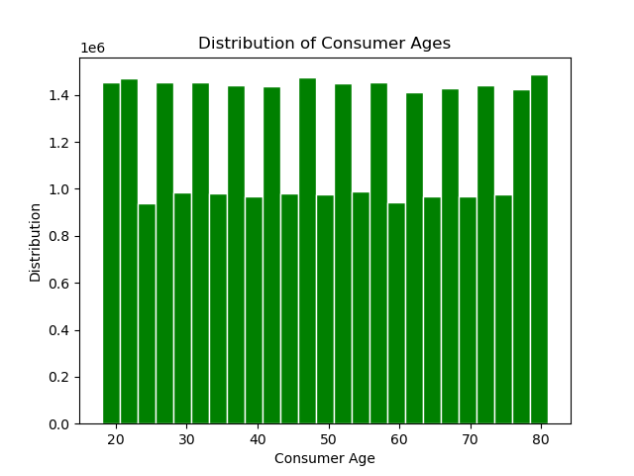
 | 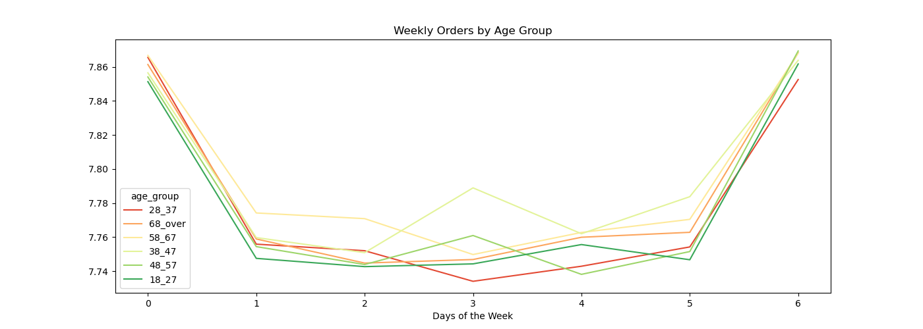 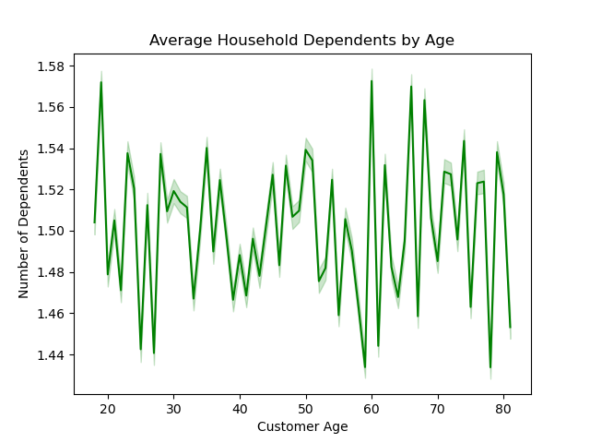

 | Users by Family Size
Users by Family Size ‘Instacart Consumer Base by Family Size’ Married with kids make up the highest percentage of IC users. ‘Customer Income by Family Size’ In regards to income IC users who identify as divorced with no kids report the highest incomes followed by married with kids at an average of $100,000 a year. ‘Hourly Purchases’ Those without kids show the highest variability in ordering patters with the morning hours showing the highest frequency variability. Those with children show more consistent patterns throughout the day. ‘Weekly Purchases’ Those identifying as divorced and living with family and no kids show the most variability from typical IC ordering patterns. | 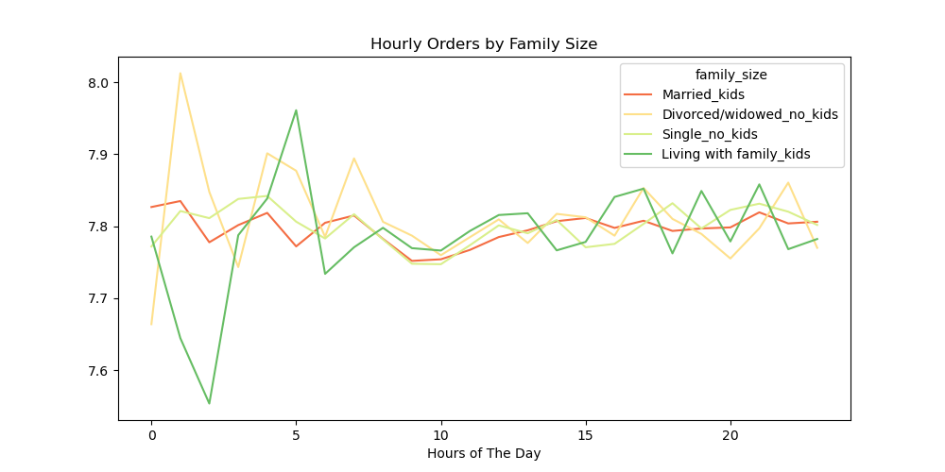 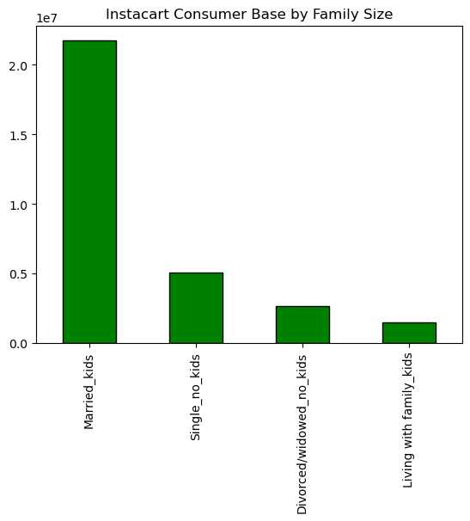
 | 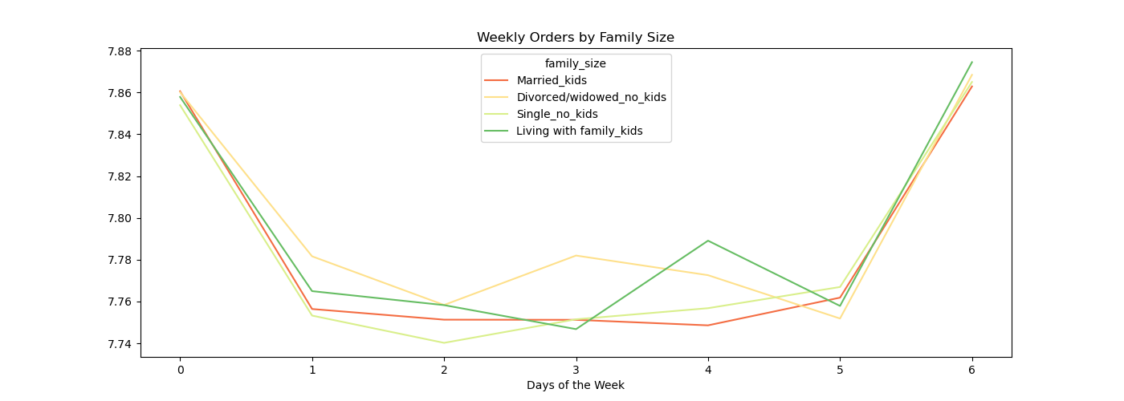 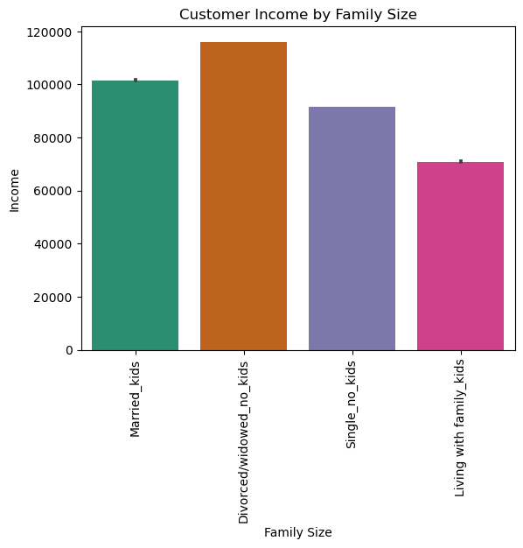

Comment | Key Question 7 Visuals
Regional and Department Profiles | Users By Income
Users by Income ‘Regional Expenditures’ and ‘Regional Order Frequency’ | 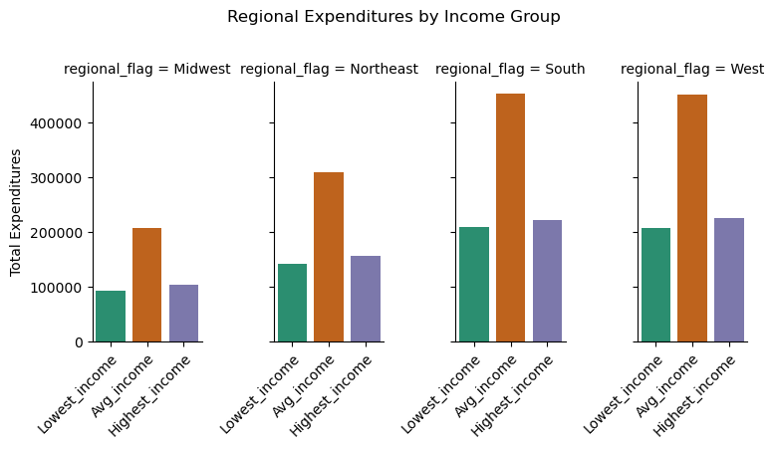 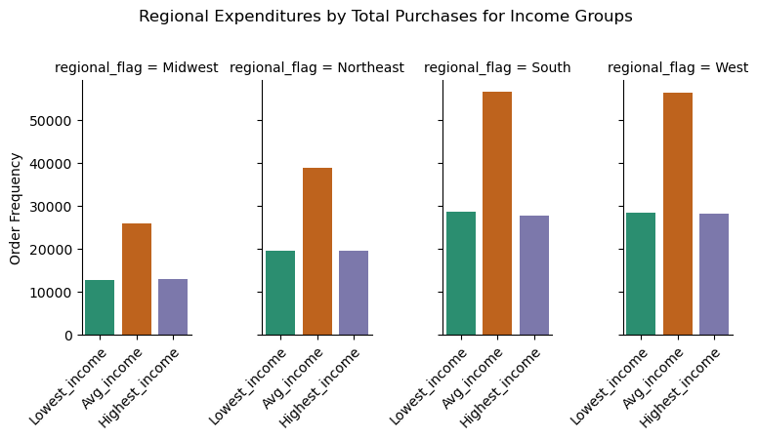
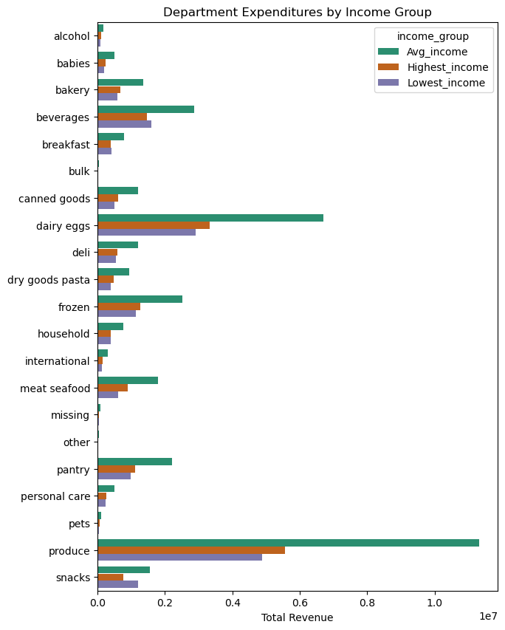
‘Department Expenditures’ and ‘Department Order Frequency’ | 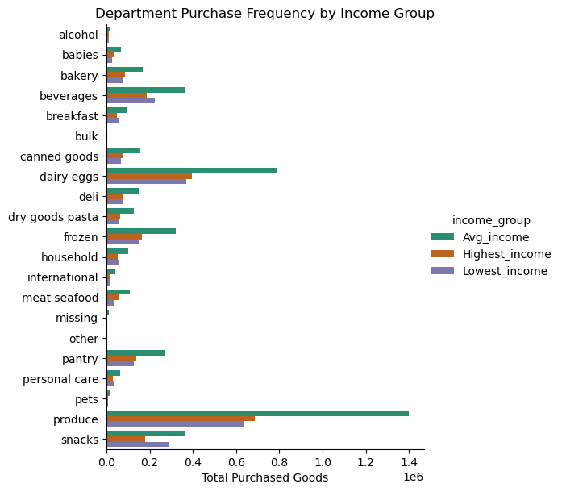
 | 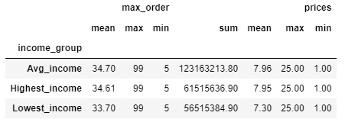
 | Users by Age
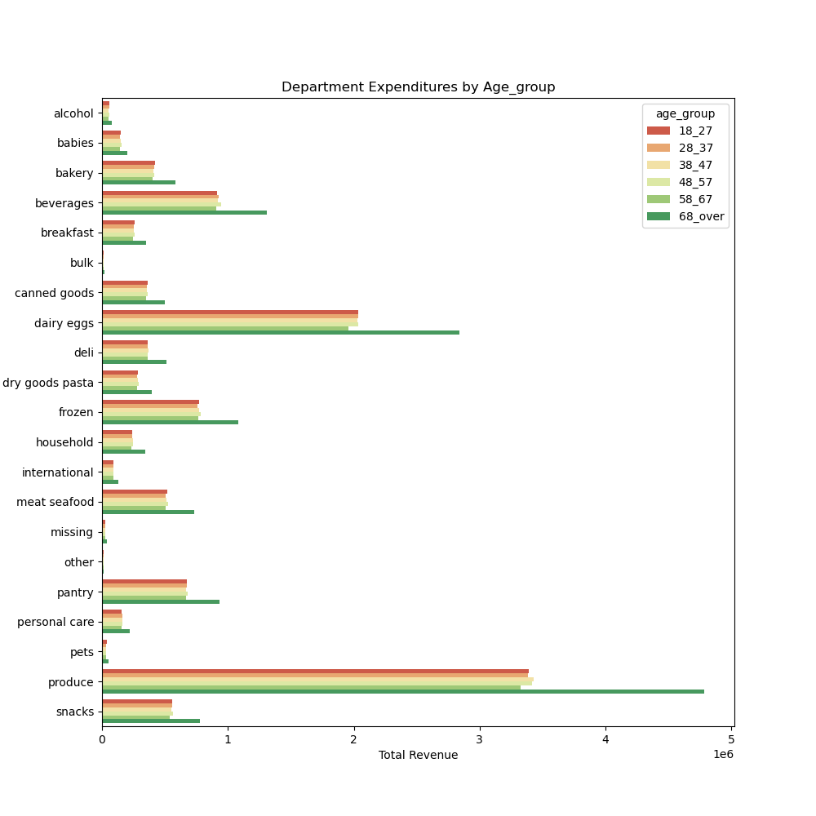
Users by Age ‘Regional Expenditures’ and ‘Regional Order Frequency’ | 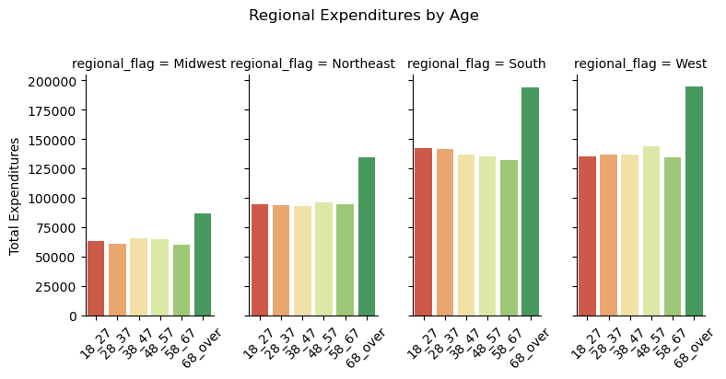 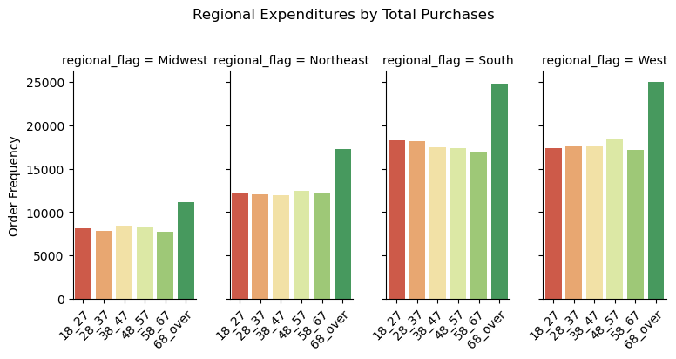
‘Department Expenditures’ and ‘Department Order Frequency’
 | 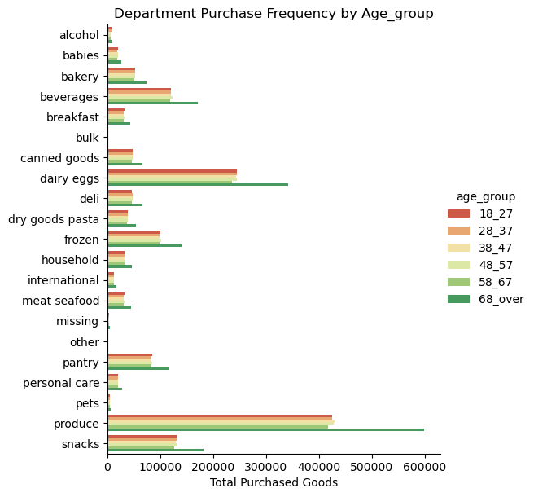 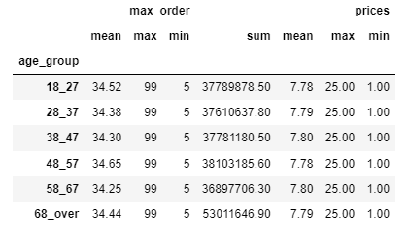
 | Users by Family Size
Users By family Size ‘Regional Expenditures’ and ‘Regional Order Frequency’ | 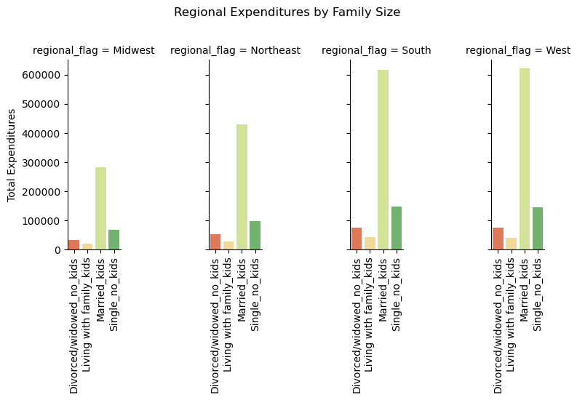 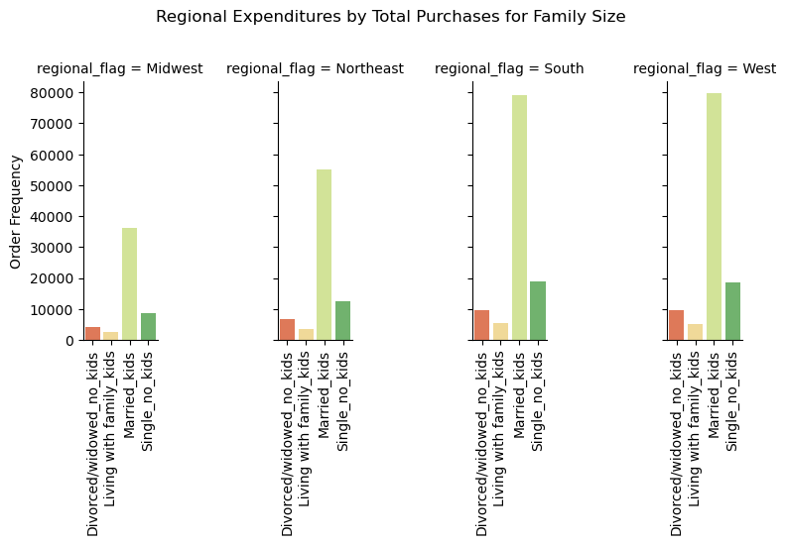
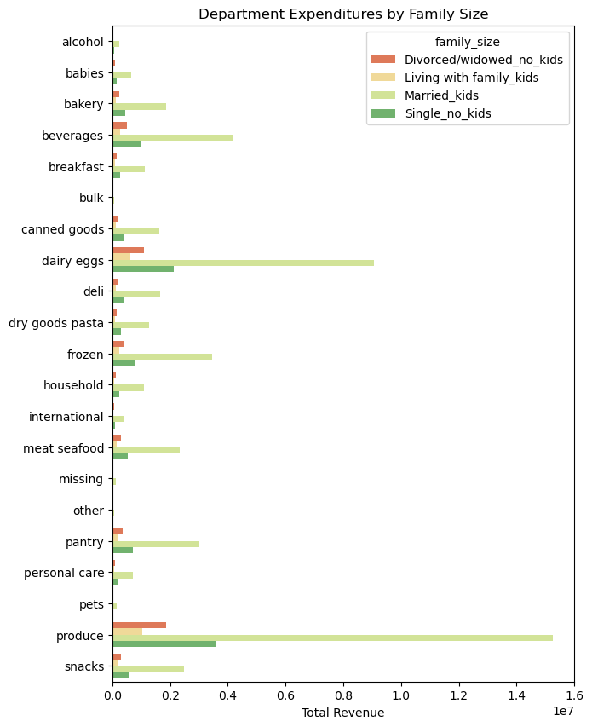
‘Department Expenditures’ and ‘Department Order Frequency’
 | 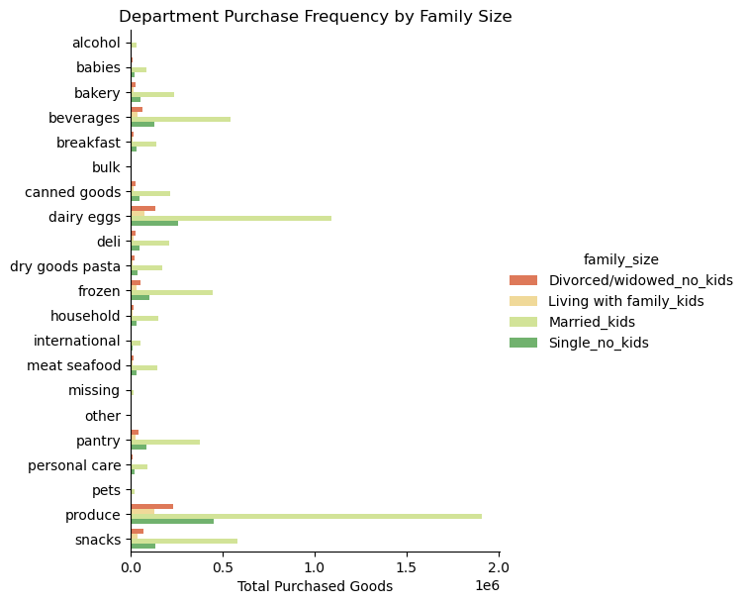 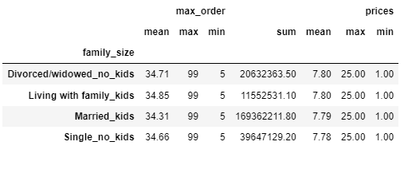

Comment | Cross Tabs
Consitency Check Orders | Visual 1
Crosstab pull from 4.4 data Wrangling Orders and Products on Order.csv Visual showing results pulled on NaN values where “days_since_prior_order” order numbers are equal to 0, | 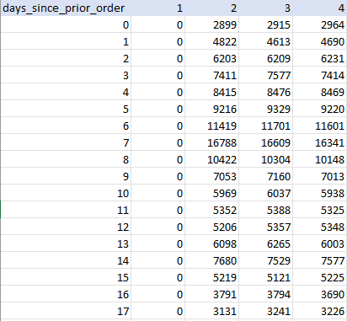
Consitency Check Product | Visual 2
Pulled from: 4.5 Data Consistency Checks Products and orders. Depicts NaN values for deleted product_name Rows | 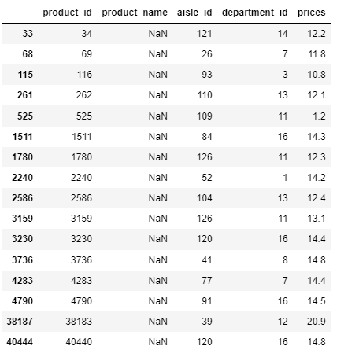
Consistency Check Orders_products_all | Visual 3
Visual Pulled from 4.9 Part 2 Data Visualization Ords_prods_all. Depicts head and tail of values converts to NaN values by analyst due due to innaccurate pricing input. | 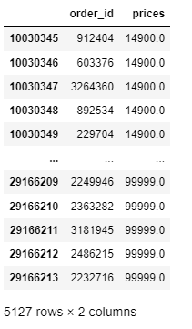

7. Recommendations
Recommendations
 |  |  | Title page

Number | Key Question | Recommendations
1 | The sales team needs to know what the busiest days of the week and hours of the day are (i.e., the days and times with the most orders) in order to schedule ads at times when there are fewer orders. | The busiest days of the week for Instacart are Saturday followed by Sunday and the busiest hours for order placements are between 10 am and 3pm. Conversely, the least frequently busy days are Tuesday and Wednesday and the hours between midnight to 6am. It is recommended Marketing considering targeting ads to increase weekday shopping and increase flow of orders in the early morning hours between ‘midnight to 6am’ due to increase sales during these times.
2 | What are the times of day when customers spend the most money? This information will be used for products advertistments. | Similar to key question 1 consumer ordering habits for the avg. spent mirrors weekend purchasing habits with a noticeable dip in mid-week purchases. Comparatively, avg. spent shows variability through out the day compared to when orders are placed. The early morning hours show comparatively higher avg. sales than mid-day sales, though mid-day sales may have more frequently placed orders. Marketing should consider targeting ads to consumers to increase order placement in the mearly-morning hours due to lower frequency of orders placed and higher trends in avg. sales.
3 | Instacart has a lot of products with different price tags. Marketing and sales want to use simpler price range groupings to help direct their efforts. | Given the distribution of pricing is skewed to the left, at or below the $15 mark, a proposed, simplified, price range could be done using increments of $5 [$1-5, $6-10, $11-15, >$15]. This would be easy for consumers to understand and capitalize on the more frequently purchased price tags in the current market range. It is recommended items above $16 be placed in a separate category due to their lower purchased frequency.
4 | Are there certain types of products that are more popular than others? The marketing and sales teams want to know which departments have the highest frequency of product orders. | The two most popular department products by purchase frequency in is first the ‘produce’ department followed by the ‘dairy/eggs’ department. Given the popularity of the Produce Department, the top 10 products within the Produce Department were pulled. Bananas, followed by bags of organic bananas, are both the highest and second most frequently purchased items across the Insta Cart Consumer base.
5 | What’s the distribution among users in regards to their brand loyalty (i.e., how often do they return to Instacart)? Are there differences in ordering habits based on a customer’s loyalty status? Are there differences in ordering habits based on a customer’s region? | The Loyalty_flag was used to collected metrics on ‘brand loyal consumers’. Consumers who have had 40 orders or more are labeled loyal_customer. While customers with less than 40 but more than 10 are Regular_customers. Customers with less than 10 orders are considered new customers. Avg consumers are more likely to use Instacart during the morning hours and have higher frequency of sales during the mid-week. Targeting consumers who are new to Instacart and beoming regular users would be supportive of missings to increase sales during low frequency times for orders during the week/time of day
6 | The marketing and business strategy units at Instacart want to create more-relevant marketing strategies for different products and are, thus, curious about customer profiling in their database. User Profile Information - An analysis of consumer income, age groups, and family status. | Users by Income The primary user for Instacart is likely to make between $67,000 to $128,000 a year. This user base ‘avg_income’ has less variability in ordering practices comparatively to higher and lower income users making this user base ideal to pair with other user metrics when considering marketing strategies. Users by Age Age ranges are reflected fairly equally amongst IC users. Marketing should consider targeting ads for key question 2 to different age groups that are indicated to show lower ordering frequency to increase order sales in that age group for various hours/days of the week. Users by Family Size Married with kids make up the majority of ICs user base and are likely to make at or slightly above the average IC income of $96,000. They are likely to place orders consistently though the day with some variability in the morning and consistently show low patterns of orders through the mid-week. Marketing should target this demographic to increase mid-week sales.
7 | Regional Area and Department Profile- An analysis across user profiles in various U.S. regions and department good for both purchasing frequency and avg purchasing metrics. | The south and west regions show the highest rates of sales for all user profiles for frequency of orders and expenditures. With the Midwest and northeast regions showing lower sales. Marketing should consider targeting ads to these regions to increase consumer usage and grow IC’s base. Consumer ages show the most variability in sales amongst profiles so marketing ads towards specific age ranges may help target IC consumers more specifically in different regions. Lowest_income users show higher frequency of beverage and snack orders indicating they may more frequently use IC for enjoyment orders comparatively to higher and avg income users who show trends of groceries being prioritized. Marketing should consider a campaign to increase lower income users that targets the user of snacks/beverages.

